Instructions
Instructions:
1. The questionnaire is based on the system boundary diagram. The numbers on the schema represent the different stages of the WWTP
2. Click on the blue arrow to toggle between sheets
3. Clicking on the blue arrow in the instructions page leads you to Table 1 (Mass Flow sheet), where a questionnaire for nutrient balance at each stage is provided. Furthermore, another arrow (facing downwards) leads you to Table 2 where the inventory and mass flows for each stage can be filled.
4. Finally, after filling in Tables 1 and 2, click on the blue arrow, which leads you to Tables 3, 4 and 5 (CAPEX, OPEX)
5. Enter data in the cells which are marked in yellow
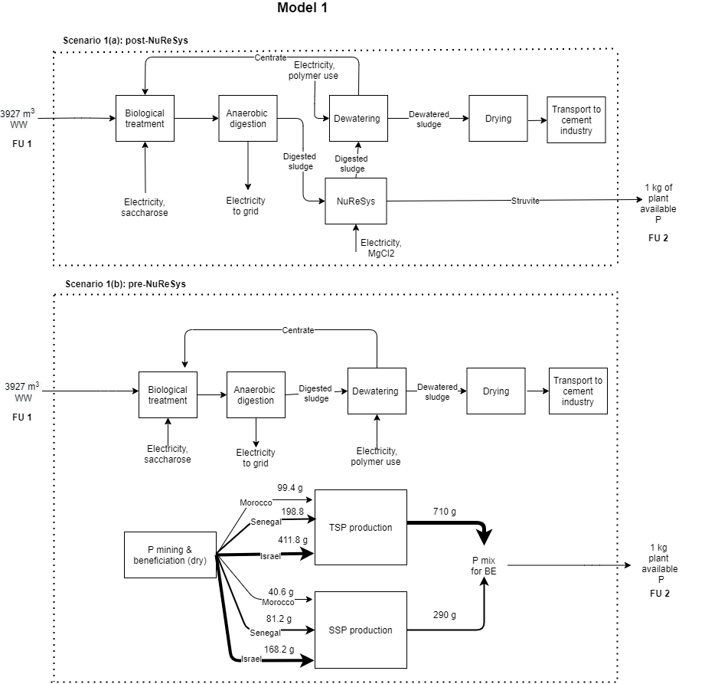

Automatically Calculated
Input Data

Mass flow
 |  | Table A: Inhabitant specific loads
Note: The Inhabitant specific loads (Table A) at WWTP is based on the ATV guidelines. In case the values are different for the Aquafin plant, do make changes. This would automatically update Row 18
 |  | Number of inhabitants | 95000
 |  | COD load | 158.2 | g/inh. Day
 |  | TKN load | 12.284 | g/inh. Day
 |  | P load | 1.938 | g/inh. Day
 |  | COD/TOC | 3.8
 |  | Influent | 39670 | m3/day
 |  | BOD load | 5700 | kg/ day
 | Table 1: Nutrient balance

Stages | Processes |  | Flows | TOC | TKN |  |  |  |  |  | Nitrate | P | COD | Heavy metals
 |  |  |  |  | SNH | XNI | SNI | SND | XND | Total |  |  |  | Pb | Cu | Zn | Cd | Cr | Ni
 |  |  |  | (kg/day) | (kg/day) |  |  |  |  |  | (kg/day) | (kg/day) | (kg/day) | mg/kdDS
1 | Incoming wastewater |  | Influent | 3955.00 | 816.886 | 29.17 | 29.17 | 116.70 | 175.05 | 1,167 |  | 184.11 | 15029
 | Pretreatment (odour control, grit removal) |  | Pre-treated influent | 3954.93 | 840.89 | 29.18 | 29.18 | 116.70 | 175.05 | 1167 |  | 184.11 | 15028.72
2 | Biological treatment |  | Effluent to waterbody | 314.99 | 45.91 |  |  |  |  | 103.07 | 205.02 | 24.54 | 1196.95
 |  |  | Sludge |  |  |  |  |  |  | 432 |  | 174.87
3 | Sludge thickening |  | Thickened sludge |  |  |  |  |  |  | 432 |  | 245 |  | 85 | 225 | 957.5 | < 3.08 | 48.78 | 20.08
 |  |  | External sludge |  |  |  |  |  |  | 646 |  | 249
 |  |  |  | TOC | TKN |  |  |  |  |  | Nitrate | P | COD | Heavy metals
 |  |  |  |  | SNH | XNI | SNI | SND | XND | Total |  |  |  | Pb | Cu | Zn | Cd | Cr | Ni
 |  |  |  | (kg/day) |  |  |  |  |  |  | (kg/day) | (kg/day) | (kg/day) | mg/kdDS
4 | Anaerobic Digestion |  | Digestate |  |  |  |  |  |  | 679 |  | 245
5 | NuReSys | Stripper | Stripped digestate
 |  | Crystalliser & Struvite harvester | Surplus digestate |  |  |  |  |  |  |  |  | 0.00
 |  |  | Struvite | 2.0898 |  |  |  |  |  |  |  | 0.00 |  | 2.5 | 3.65 | 21.4 | <0.1 | 10 | < 2.0
6 | Sludge buffer tank |  | Digestate buffer tank |  |  |  |  |  |  | 889 |  |  |  | 90 | 251.43 | 1072.71 | < 2.93 | 62.59 | 28.9
7 | Dewatering |  | Centrate |  |  |  |  |  |  | 238 |  | 15
 |  |  | Solid fraction digestate |  |  |  |  |  |  | 651 |  | 337
8 | Drying |  | Dried digestate |  |  |  |  |  |  | 651 |  | 337 |  | 100 | 269.71 | 1185.71 | < 3.10 | 62.13 | 28.67

Table 2

 | Please enter the raw / auxiliary materials at each stage and also the respective C, N and P flows
 |  |  |  |  |  |  |  |  |  |  | 15.222183 |  | 5556.096795 | TPY

 |  | Stage 1 -Pre-treatment |  |  |  |  |  |  |  |  |  |  | Stage 2 -Biological treatment |  |  |  |  |  |  |  |  |  |  | Stage 3 -Sludge thickening |  |  |  |  |  |  |  |  | Stage 4-Anaerobic digestion |  |  |  |  |  |  |  | Stage 5-NuReSys struvite recovery |  |  |  |  |  |  | Stage 6-Sludge Buffer tank |  |  |  |  |  |  | Stage 7-Dewatering |  |  |  |  |  | Stage 8-Drying

Pre-treated inluent
Digestate
Solid fraction digestate
Thickened sludge
Surplus Digestate
Digestate _{buffer tank}
 |  | Input |  |  | Output |  |  |  |  |  |  |  | Input |  |  | Output |  |  |  |  |  |  |  | Input |  |  | Output |  |  |  |  | Input |  |  | Output |  |  |  |  | Input |  |  | Output |  |  |  | Input |  |  | Output |  |  |  | Input |  |  | Output |  |  | Input |  |  | Output
 |  |  | Value | Unit |  | Value | Unit |  |  |  |  |  |  | Value | Unit |  | Value | Unit |  |  | Sludge |  |  |  | Value | Unit |  | Value | Unit |  |  |  | Value | Unit |  | Value | Unit |  |  |  | Value | Unit |  | Value | Unit |  |  | Value | Unit |  | Value | Unit |  |  | Value | Unit |  | Value | Unit |  | Value | Unit |  | Value | Unit
 |  | Electricity |  |  | Residual waste | 551 | kg/day |  |  |  |  |  | Electricity | 15,455 | kWh/day |  |  |  |  |  |  |  |  | Electricity |  |  |  |  |  |  |  | Electricity |  |  | Biogas yield | 1,828 | m³/day |  |  | Magnesium | 807 | kg/day | Struvite | 77.4 | kg/day |  |  |  |  |  |  |  |  | Electricity | 3,098 | kWh/day |  |  |  | Electricity
 |  | Tap water | 0 |  | Sand/ grit | 1,905 | kg/day |  |  |  |  |  | Centrate | 443 | m³/day |  |  |  |  |  | Output | Value | Unit | Polymers | 45.7 | kg/day |  |  |  |  |  | Heat |  |  | Digestate | 9 | ton TS |  |  | NaOH | 0 | kg/day | struvite P | 9.29 | kg/day |  |  |  |  |  |  |  |  | polymers | 411.7 | kg/day |  |  |  | Heat
 |  | Bleach | 0 |  | grease | 10 | kg/day |  |  |  |  |  | recirculated sludge | 10930 | m³/day |  |  |  |  |  | COD | 0 | kg/ day |  |  |  |  |  |  |  |  | External sludge | 2.19 | tonnes TS | Electricity | 3,010 | kWh/day |  |  | Electricity | 144 | kWh/day | struvite N | 4 | kg/day |  |  |  |  |  |  |  |  |  |  |  |  |  |  | external sludge | 6396.3 | ton TS
 |  | Soda | 0 |  |  |  |  |  |  |  |  |  | saccharose 65% | 9.57 | m³/day |  |  |  |  |  | TKN | 432 | kg/ day |  |  |  |  |  |  |  |  | External sludge siccity | 5.1 | % | Heat | 23501 | MJ/day |  |  |  |  |  |  |  |  |  |  |  |  |  |  |  |  |  |  |  |  |  |  | external sludge | 29 | %DS
 |  |  |  |  |  |  |  |  |  |  |  |  |  | 15.222183 | tonnes/day |  |  |  |  |  | Total P | 175 | kg/ day

 |  |  |  |  |  |  |  |  |  |  |  |  | C,N and P flows |  |  |  |  |  |  |  |  |  |  | C,N, P and mass flows |  |  |  |  |  |  |  |  |  |  |  |  |  |  |  |  | C,N, P and mass flows |  |  |  |  |  |  | C,N, P and mass flows |  |  |  |  |  |  | C,N, P and mass flows |  |  |  |  |  | C,N, P and mass flows
 |  |  |  |  |  |  |  |  |  |  |  |  |  |  |  |  |  |  |  |  | Effluent |  |  |  |  |  |  |  |  |  |  |  | C,N, P and mass flows

 |  |  |  |  |  |  |  |  |  |  |  |  | Input |  |  | Output |  |  |  |  | Output | Value | Unit | Input |  |  | Output |  |  |  |  |  | Input |  |  | Output |  |  |  |  | Input |  |  | Output |  |  |  | Input |  |  | Output |  |  | Input |  |  | Output |  |  | Input |  |  | Output
 |  |  |  |  |  |  |  |  |  |  |  |  |  | Value | Unit |  | % | Value | Unit |  | COD | 1,197 | kg/ day |  | Value | Unit |  | % | Value | Unit |  |  |  | Value | Unit |  | Value | Unit |  |  |  | Value | Unit |  | Value | Unit |  |  | Value | Unit |  | Value | Unit |  | Value | Unit |  | Value | Unit |  | Value | Unit |  | Value | Unit
 |  |  |  |  |  |  |  |  |  |  |  |  | TOC | 3,955 | kg/ day | C sludge |  | 0 | kg/ day |  | TKN | 86 | kg/ day | Sludge |  | tonnes TS | Sludge (for AD) |  | 10.35 | tonnes TS/ day |  | Sludge | Internal | 10.35 | tonnes TS | Digestate | 9.45 | tonnes TS/ day |  | Digestate | Internal | 9.45 | tonnes TS/ day | Digestate | 9.40 | tonnes TS | Digestate | Surplus digestate | 9.40 | tonnes TS | Digestate buffer tank | 15.37 | tonnes TS | Digestate buffer tank | 15.37 | tonnes TS | Solid fraction Digestate |  | tonnes TS | Solid fraction digestate |  | tonnes TS | Dried digestate |  | tonnes TS
 |  |  |  |  |  |  |  |  |  |  |  |  |  |  |  |  |  |  |  |  | N org | 40 | kg/ day |  |  |  | Siccity |  | 6.69 | % |  |  | External | 2.19 |  | Siccity | 4.78 | % |  |  | External | 0 |  | Siccity |  | % |  | External | 5.96 |  | Siccity |  | % | Siccity | 0 | % | Siccity | 30.5 | % | Siccity |  | % | Siccity | 94.025 | %
 |  |  |  |  |  |  |  |  |  |  |  |  |  |  |  | CO2-C to air |  | 0 |  |  | NO3-N | 205.02 | kg/ day | Siccity |  | % | Sludge (for recirculation) |  | 0 | tonnes TS |  | TOC | Internal | 381.01190476 | kg/ tonne TS | TOC |  | kg/ tonne TS |  | TOC | Internal |  | kg/ tonne TS | TOC |  | kg/ tonne TS | TOC | Surplus digestate |  | kg/ tonne TS | TOC |  | kg/ tonne TS |  |  |  | Centrate | 443 | m³/day | TOC |  | tonnes TS | TOC Dried digestate | 496.9 | tonnes TS
 |  |  |  |  |  |  |  |  |  |  |  |  | TOC (recirculated sludge) |  | kg/ day | C effluent |  | 315 |  |  | NO2-N | 8.72 | kg/ day |  |  |  | Siccity |  |  | % |  |  | External |  |  |  |  | kg/ tonne TS |  |  | External |  |  |  |  | kg/ tonne TS |  | External |  |  |  |  | kg/ tonne TS |  |  |  |  |  |  | TKN | 651 | tonnes TS | TKN Dried digestate |  | tonnes TS
 |  |  |  |  |  |  |  |  |  |  |  |  | TOC (Centrate) |  | kg/ day |  |  |  |  |  | NH4-N | 45.91 | kg/ day |  |  |  |  |  |  |  |  | TKN | Internal | 41.7 | kg/ tonne TS | TKN | 71.83 | kg/ tonne TS |  | TKN | Internal | 71.83 | kg/ tonne TS | TKN |  | kg/ tonne TS | TKN | Surplus digestate | 71.767153463 | kg/ tonne TS | TKN | 57.85 | kg/ tonne TS |  |  |  |  |  |  | P | 337 | tonnes TS | P Dried digestate |  | tonnes TS
 |  |  |  |  |  |  |  |  |  |  |  |  | Total TOC | 3,955 | kg/ day |  |  |  |  |  | PO4-P effluent | 24.54 | kg/ day | TOC | 381.01190476 | kg/ tonne TS | TOC (for AD) |  | 381.01190476 | kg/ tonne TS |  |  | External | 295 |  |  | 679 | kg/day |  |  | External | 0 |  |  |  | kg/ tonne TS |  | External | 35.809296344 |  |  | 889 | kg | TOC |  | tonnes TS | TOC Solid fraction Digestate | 504.7 | kg/ tonne TS
 |  |  |  |  |  |  |  |  |  |  |  |  |  |  |  |  |  |  |  |  |  |  |  |  |  |  | TOC (for recirculation) |  | 0 | kg/ tonne TS | 162 | P | Internal | 15.6 | kg/ tonne TS | P | 25.92 | kg/ tonne TS |  | P | Internal | 25.92 | kg/ tonne TS | P | 0.00 | kg/ tonne TS | P | Surplus digestate |  | kg/ tonne TS | P | 22.91 | kg/ tonne TS |  |  |  | TOC Centrate |  | kg/ tonne TS
 |  |  |  |  |  |  |  |  |  |  |  |  | TKN | 1,166.98 | kg/ day | NH4-N effluent | 3.27% | 45.91 | kg/ day |  |  |  |  | TKN |  | kg/ tonne TS | TKN (for AD) |  | 41.7 | kg/ tonne TS |  |  | External | 114 |  |  | 245 | kg/day |  |  | External | 0 |  |  | 0 | kg/ day |  | External |  |  |  | 352 | kg | TKN | 889 | kg | TKN Solid fraction Digestate | 651 | kg/day
 |  |  |  |  |  |  |  |  |  |  |  |  |  |  |  |  |  |  |  |  |  |  |  |  |  |  | TKN (for recirculation) |  | 0 | kg/ tonne TS |  |  | Total | 411 | kg/day | From internal | 162 |  |  |  |  |  |  | Struvite | 9.29 | kg/day |  |  |  |  |  |  |  |  |  |  | TKN Centrate | 238 | kg/day
 |  |  |  |  |  |  |  |  |  |  |  |  |  |  |  | NO3-N & NO2-N | 15.21% | 213.74 |  |  |  |  |  | P |  | kg/ tonne TS | P (for AD) |  | 15.6 | kg/ tonne TS |  |  | Uncrecoverable P | 166 |  | From internal | 83 |  |  |  |  |  |  |  |  |  |  |  |  |  |  |  |  | P | 352 | kg | P Solid fraction Digestate | 337 | kg/day
 |  |  |  |  |  |  |  |  |  |  |  |  |  |  |  |  |  |  |  |  |  |  |  |  |  |  | P (for recirculation) |  | 0 | kg/ tonne TS |  |  |  |  |  |  |  |  |  |  |  |  |  |  |  |  |  |  |  |  |  |  |  |  |  |  | P Centrate | 15 | kg/day
 |  |  |  |  |  |  |  |  |  |  |  |  |  |  |  | dissolved organic N | 2.87% | 40.35

 |  |  |  |  |  |  |  |  |  |  |  |  | TKN (recirculated sludge) |  | kg/ day | N sludge | 30.75% | 432.00
 |  |  |  |  |  |  |  |  |  |  |  |  |  |  |  |  |  |  |  | 45.91
 |  |  |  |  |  |  |  |  |  |  |  |  |  |  |  | N2 to air | 47.87% | 672.56
Effluent to waterbody
 |  |  |  |  |  |  |  |  |  |  |  |  |  |  |  | N2O-N to air | 0.03% | 0.42
 |  |  |  |  |  |  |  |  |  |  |  |  |  |  |  |  |  |  |  |  |  |  |  |  |  |  |  |  |  |  |  |  |  |  |  |  |  |  |  |  |  |  |  |  |  |  |  |  |  |  |  |  |  |  |  |  |  |  |  |  |  |  | Transport distance of dried digestate to the cement industry | 110.3 | km
 |  |  |  |  |  |  |  |  |  |  |  |  | TKN Centrate | 238.00 | kg/ day
 |  |  |  |  |  |  |  |  |  |  |  |  | Total TKN | 1,404.98 | kg/ day

 |  |  |  |  |  |  |  |  |  |  |  |  | P | 184.11 | kg | PO4-P effluent | 12.31% | 24.54 | kg
 |  |  |  |  |  |  |  |  |  |  |  |  | P (recirculated sludge) |  |  | P sludge | 88% | 174.87
 |  |  |  |  |  |  |  |  |  |  |  |  | P (Centrate) | 15.3
 |  |  |  |  |  |  |  |  |  |  |  |  | Total P | 199.41

 |  |  |  |  |  |  |  |  |  |  |  |  |  |  |  |  |  |  |  |  |  |  |  |  |  |  |  |  |  |  |  |  |  |  |  |  |  | 679 | kg/ day

 |  |  |  |  |  |  |  |  |  |  |  |  |  |  |  |  |  |  |  |  |  |  |  |  |  |  |  |  |  |  |  |  |  |  |  |  |  | 245 | kg/ day
 |  |  |  |  |  |  |  |  |  |  |  |  |  |  |  |  |  |  |  |  |  |  |  |  |  |  |  |  |  |  |  |  |  |  |  |  |  | 83

 |  |  |  |  |  |  |  |  |  |  |  |  |  |  |  |  |  |  |  |  |  |  |  |  |  |  |  |  |  |  |  |  |  |  |  |  |  | 411

Emissions
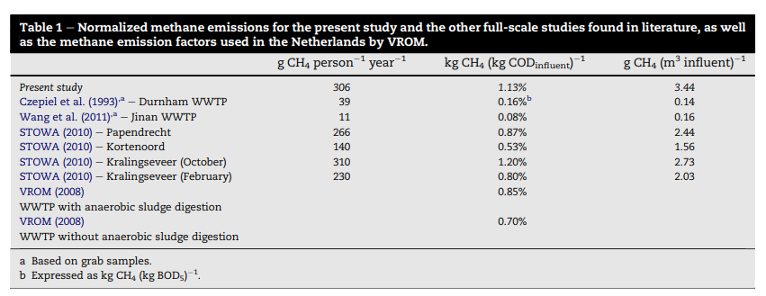
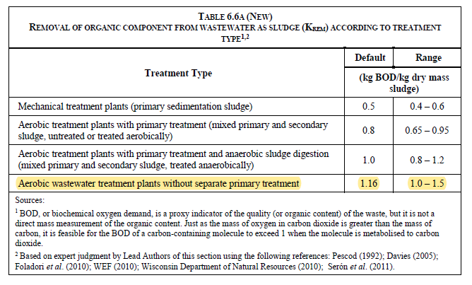
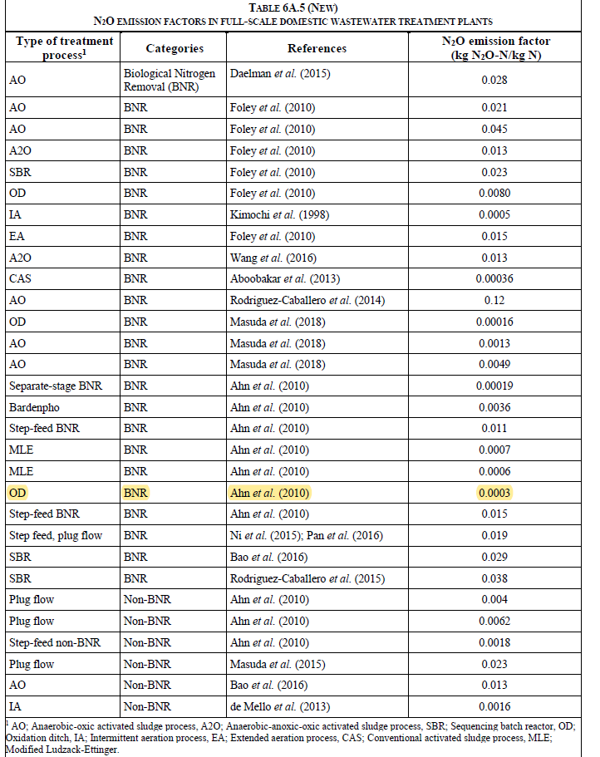

 | Emissions from WWTP_IPCC

N2O | 0.0003 | kg N2O-N/ kg N

Sankey diagram
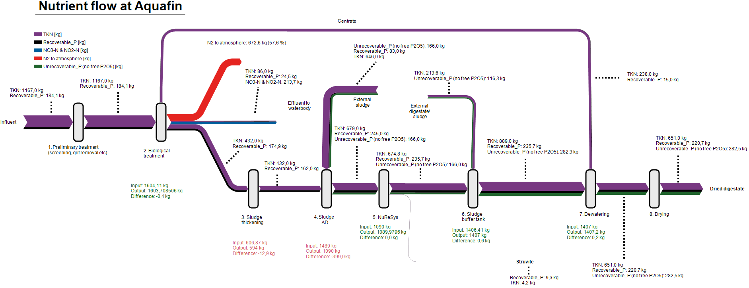

References
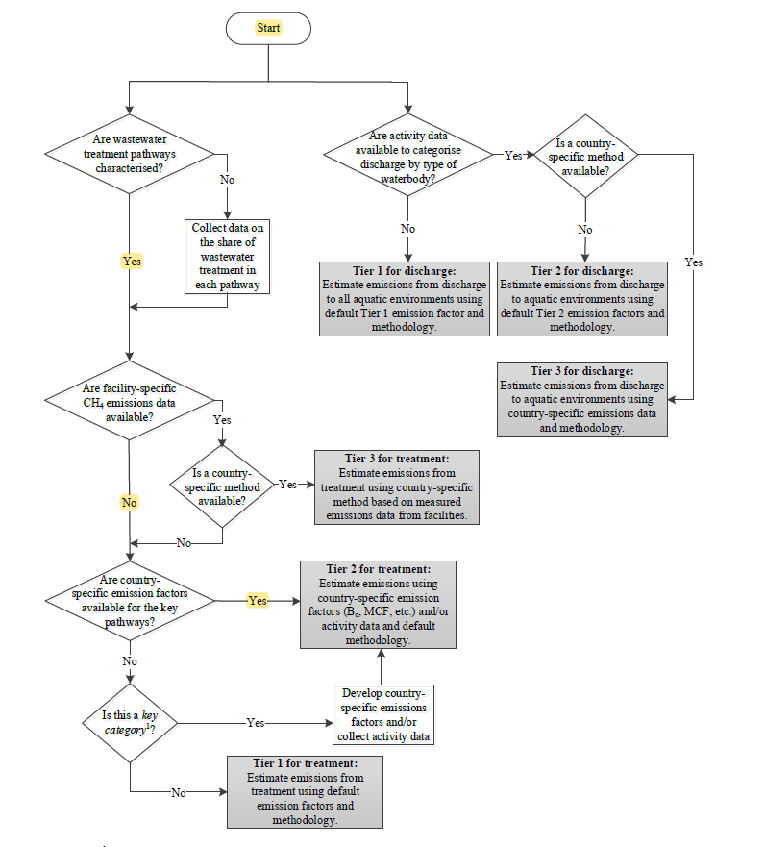
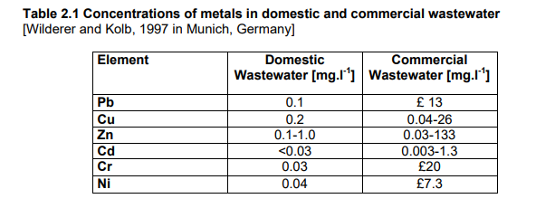
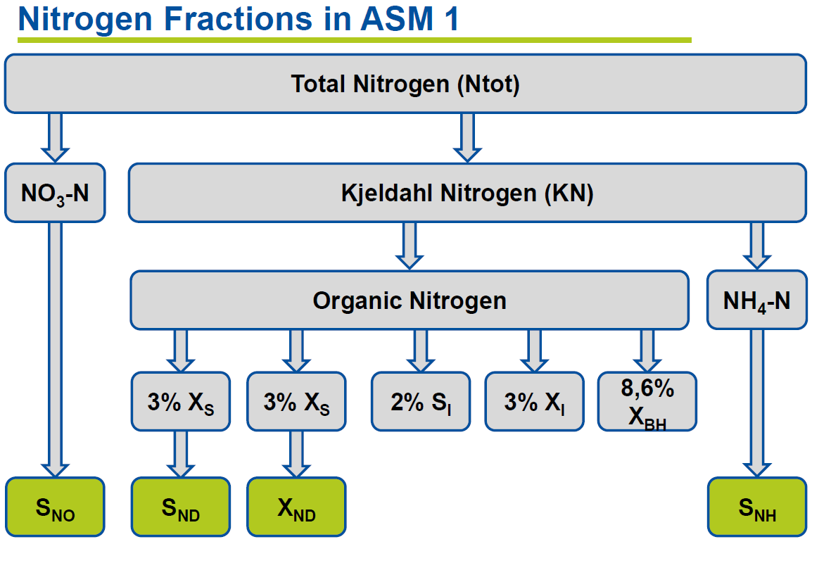

 |  |  |  | Conversion factor

 |  |  |  | 1 | = | 3.6
 |  |  |  | kWh |  | MJ
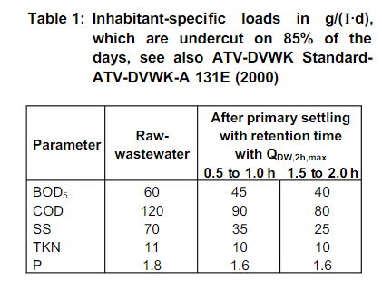

WW loads

 | SNH | NH4-N | 70%
 | XNI | inert organic particulate N | 2.50%
 | SNI | inert soluble N | 2.50%
 | SND | soluble biodegradable organic N | 10%
 | XND | particulate biodegradable organic N | 15%

 | OM to TOC conversion

 | OC = | OM
 |  | 1.68

